技术参数
 | Model:HR-DO2 Mechanical dimensions:H445*W240*D338 Mechanical weight:15kg Mechanical power:2KW Heating temperature:0~450° Heating method:Resistance wire heating Heat shrink diameter:0-30mm Heat shrink length:0-30mm or0-60mm Heat shrink efficiency:450-900pcs Air Volume:580L/min（ adjustable ） Air outlet (optional):L-shaped/Y-shaped (standard L-shaped) Power Supply:220V 50HZ | Model :HR-DO3 Mechanical dimensions:H445*W240*D338 Mechanical weight:17kg Mechanical power:3KW Heating temperature:0~450° Heating method:Resistance wire heating Heat shrink diameter:0-45mm Heat shrink length:0-60mm or0-100mm Heat shrink efficiency:450-900pcs Air Volume:580L/min（ adjustable ） Air outlet (optional):L-shaped/Y-shaped (standard L-shaped) Power Supply:220V 50HZ

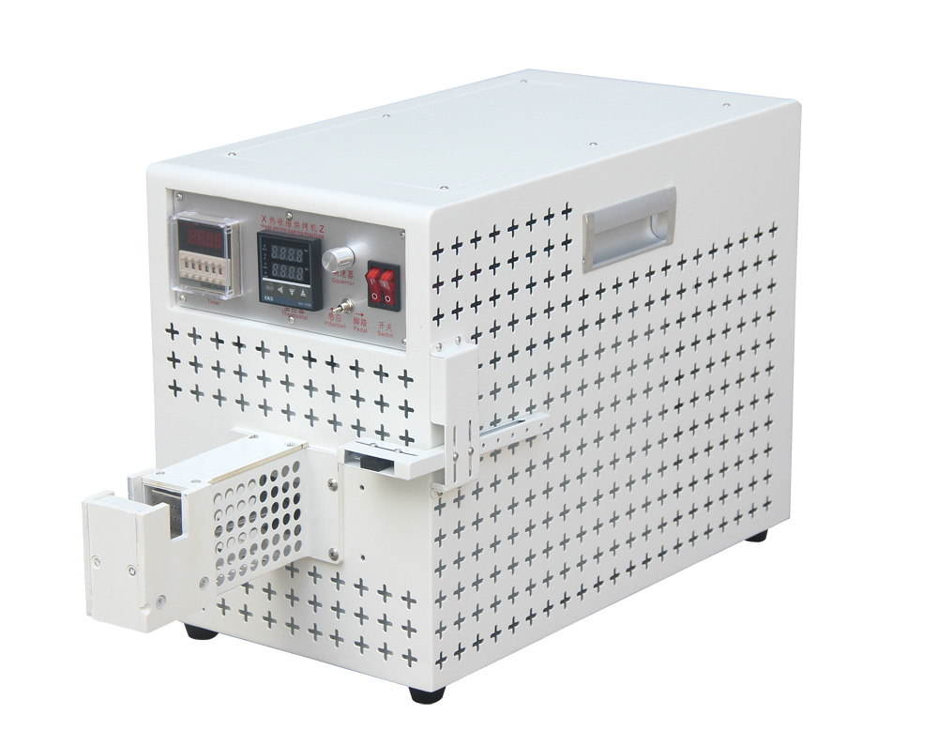
Model ： | HR-DO2 | HR-D03
Mechanical dimensions ： | H445*W240*D338 | H445*W240*D338
Mechanical weight ： | 15kg | 17kg
mechanical power ： | 2KW | 3KW
Heating temperature ： | 0~450° | 0~450°
Heating method ： | Resistance wire heating | Resistance wire heating
Heat shrink diameter ： | 0-30mm | 0-45mm
Heat shrink length: | 0-30mm or0-60mm | 0-60mm or 0-100mm
Heat shrink efficiency ： | 450-900pcs | 450-900/pcs
Air Volume ： | 580L/min（ adjustable ） | 580L/min（ adjustable ）
Air outlet (optional)： | L-shaped/Y-shaped (standard L-shaped) | L-shaped/Y-shaped (standard L-shaped)
Power Supply ： | 220V 50HZ | 220V 50HZ

